Sheet1
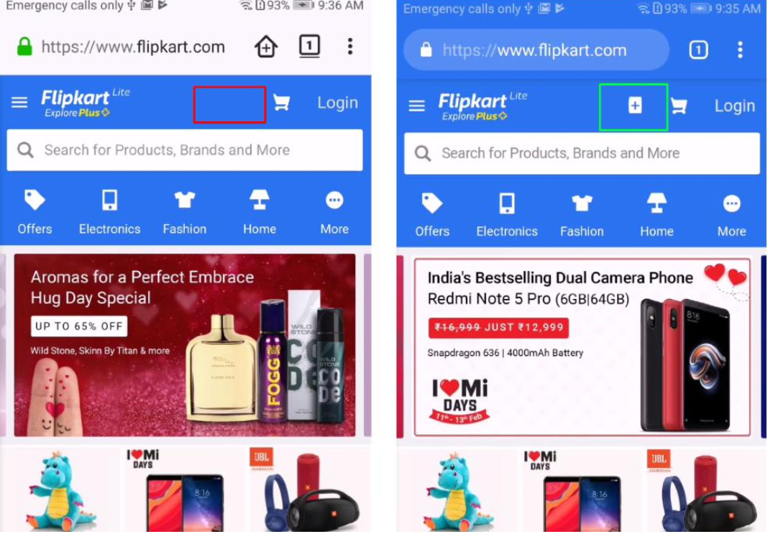
 |  | BUG REPORT

 | Date |  | Tested By
 | 2024-11-16 |  | Ashish Dahich

 | Platform |  | Browser
 | Windows11 |  | Chrome

 | Who Detected |  | How Detected |  | Status
 | QA |  | Testing |  | Open

Founder | Bug ID | Type | Feature | Description | Steps
Ashish Dadhich | Bug-01 | Functional | Registration | The system asks for an OTP after attempting to register with an invalid mobile number. | 1. Visit the URL - https://www.flipkart.com. 2. Log in / Sign up page will pop up. 3. Enter an invalid mobile number - 5111111112. 4. Click on "Get OTP".
Ashish Dadhich | Bug-02 | Functional | Registration | Verifying registration with a valid mobile number but an email address with an invalid domain. | 1. Visit the URL - https://www.flipkart.com. 2. Log in / Sign up page will pop up. 3. Enter a valid mobile number. 4. Click on "Get OTP". 5. Enter a one-time password (OTP). 6 Enter first name 7 Enter last name 8 Enter invalid email address 9 Select gender 10 Click on the save button 11 Click on send link to verify your email address
Ashish Dadhich | Bug-03 | Functional | Login | The system asks for an OTP after entering an invalid mobile number. | 1. Visit the URL - https://www.flipkart.com. 2. Log in / Sign up page will pop up. 3. Enter an invalid mobile number - 5111111112. 4. Click on "Get OTP".
Ashish Dadhich | Bug-04 | Functional | Checkout | There are no options for choosing a delivery standard (e.g., standard or express shipping). | 1. Visit the URL - https://www.flipkart.com. 2. Log in. 3. Search for a product. 4. Select the product and size. 5. Click on "Add to Cart". 6. Proceed to checkout. 7. Enter the delivery address. 8. Look for delivery standard options.
Ashish Dadhich | Bug-05 | Security | Account Management | There is no option for users to delete their accounts, which is a significant issue. | 1. Visit the URL - https://www.flipkart.com. 2. Log in. 3. Go to "My Account". 4. Check for the option to delete the account. 5. Attempt to delete the account.
Ashish Dadhich | Bug-06 | UI | Responsiveness | The site layout is not proper on specific devices (e.g., Galaxy Z Fold 5). | 1. Visit the URL - https://www.flipkart.com. 2. Open the site on Galaxy Z Fold 5. 3. Observe the layout and responsiveness.

Screenshot

Flipkart faces 30-minute technical glitch on website

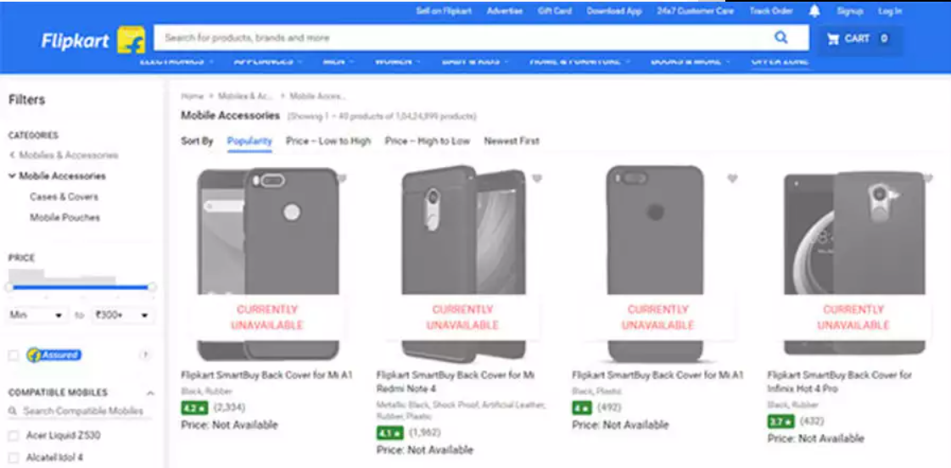

Firefox Nightly |  |  |  | Chrome

